Home
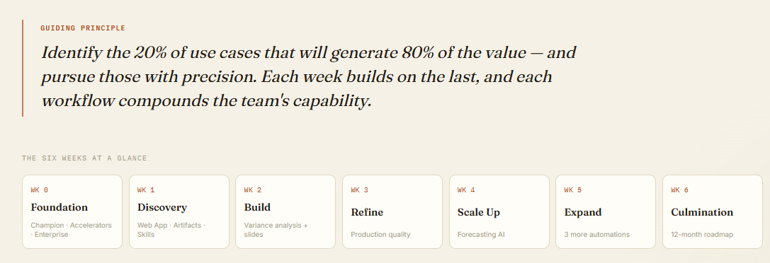
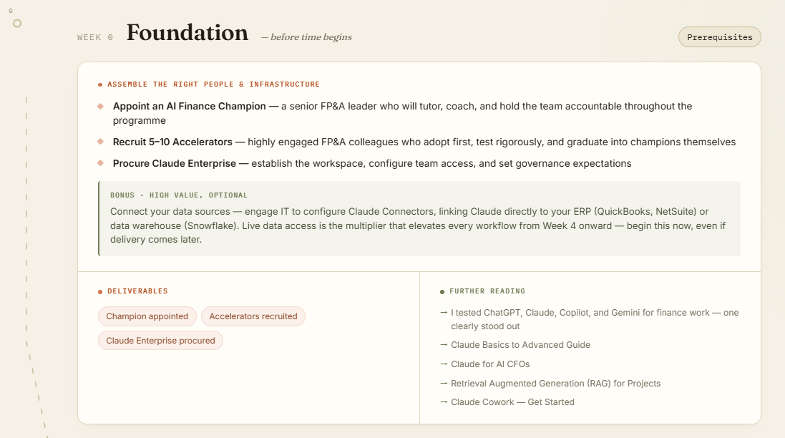
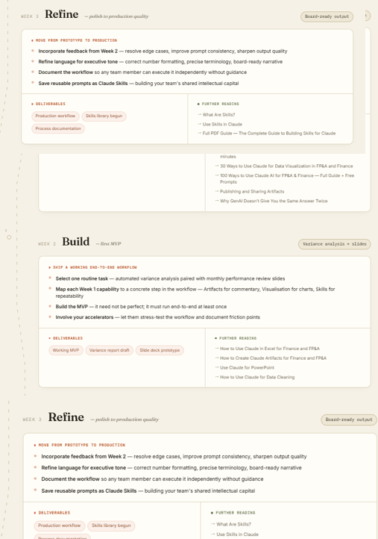
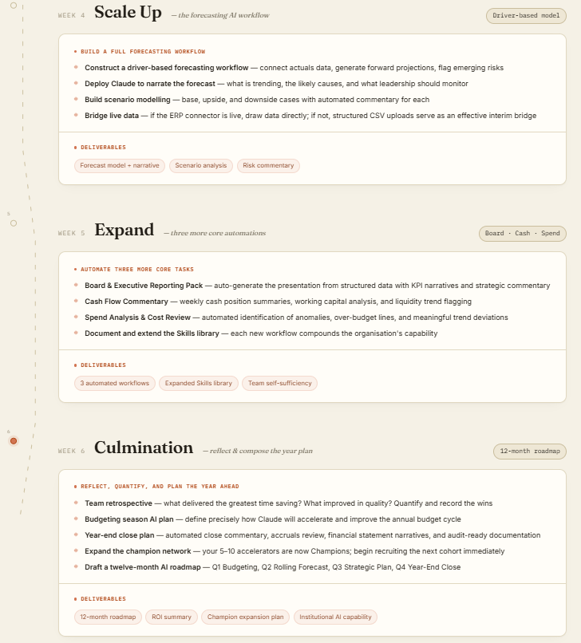
Claude for Finance - 6 Weeks Adoption Plan | Interactive Version (link)
by Christian Martinez

Weeks 1-3
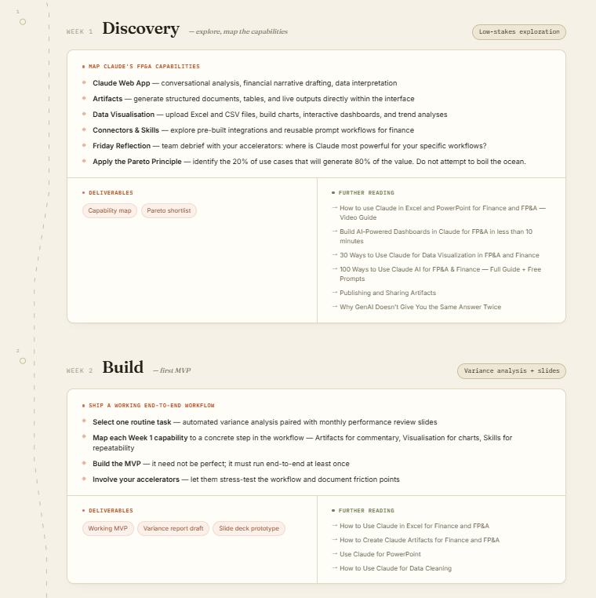
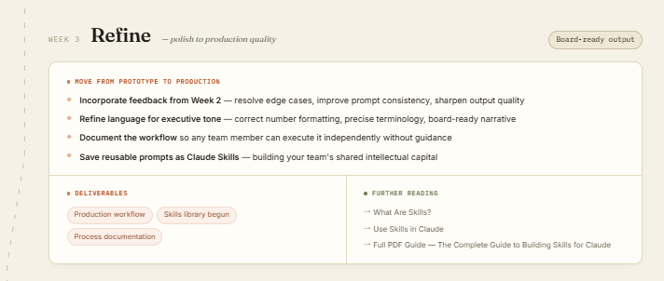

Bonus Materials with Links
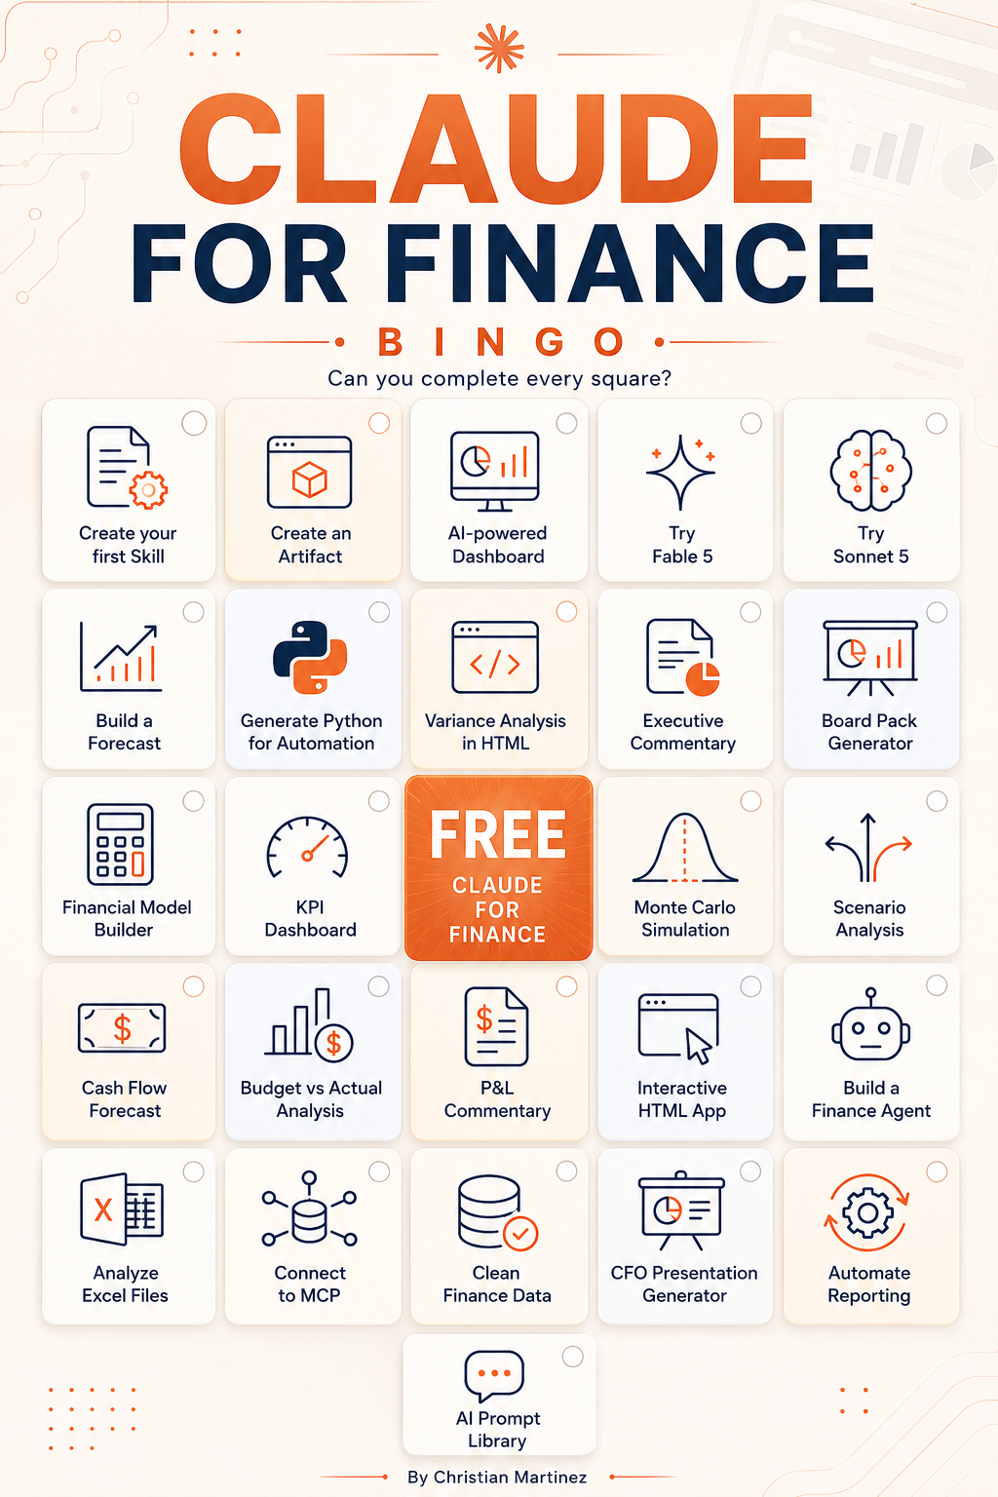
Claude x FP&A and Finance
Free Resources
Curated by Christian Martinez

How to use Claude in Excel and PowerPoint for Finance and FP&A - Video Guide
https://www.youtube.com/watch?v=F-RGSqiNClA&t=14s

How to use Claude in Excel for Finance and FP&A? - Excel
https://christianmartinezonline.kit.com/posts/how-to-use-claude-in-excel-for-finance-and-fp-a

Claude Design for FP&A and Finance
https://www.linkedin.com/posts/christianmartinezthefinancialfox_big-news-claude-launched-claude-design-activity-7452224932803035136-ywsw?utm_source=share&utm_medium=member_desktop&rcm=ACoAAAXekl4B8ksbixSWs08Mikhy-2f7MK_y-Ts

How to use Claude Skills for Finance and FP&A
https://www.youtube.com/watch?v=sQDD5feAnac&t=24s

https://www.linkedin.com/posts/christianmartinezthefinancialfox_claude-skills-for-finance-and-fpa-ugcPost-7443615996885635072-D98G/?utm_source=share&utm_medium=member_desktop&rcm=ACoAAAXekl4B8ksbixSWs08Mikhy-2f7MK_y-Ts

I Tested Claude Sonnet 5 on Real Finance and FP&A Use Cases
https://www.youtube.com/watch?v=rCwrQcvjkTE&t=19s

This is how Finance Teams can save 10 hours with AI
https://www.youtube.com/watch?v=orrlDPD15h0&t=81s

Claude + Python for Finance and FP&A - YouTube
https://www.youtube.com/watch?v=eTLclOv8s2s&t=31s

I Turned a Messy FP&A Spreadsheet into a CFO Dashboard, Slides & Video with Claude Design
https://www.youtube.com/watch?v=na9MV7yxwIo&t=2s

I Tested Every Claude Feature for Finance and FP&A in 2026. Here's What Actually Works!
https://www.youtube.com/watch?v=csxzlkUF_tA&t=34s

Opus 4.7 for Finance Guide
https://christianmartinezonline.kit.com/claudeopusforfinance

Claude Routines for Automations:
https://christianmartinezonline.kit.com/clauderoutinesforfinance

Build AI Powered Dashboards in Claude for FP&A and Finance in less than 10 Minutes
https://www.youtube.com/watch?v=V_Li8s3Lp5Y&t=82s

30 Ways to use Claude for Data Visualization in FP&A and Finance
https://www.youtube.com/watch?v=aQK_MRKveTg&t=159s

Claude Basics to Advance Guide
https://claude.ai/public/artifacts/5bb2247a-c654-449d-aea8-6ba527797953

Claude for AI CFOs
https://claude.ai/public/artifacts/5bb2247a-c654-449d-aea8-6ba527797953

How to use Claude for Data Cleaning
https://www.youtube.com/watch?v=H_KkflkaOps&t=18s

100 Ways to Use Claude AI for FP&A & Finance Full Guide + Free Prompts
https://www.youtube.com/watch?v=NVHzrdjstFo

https://www.linkedin.com/posts/christianmartinezthefinancialfox_i-built-100-finance-and-fpa-practical-use-ugcPost-7439907167215869952-BLhP/?utm_source=share&utm_medium=member_desktop&rcm=ACoAAAXekl4B8ksbixSWs08Mikhy-2f7MK_y-Ts

How to Create Claude Artifacts for Finance and FP&A
https://www.youtube.com/watch?v=PVk4f7LxbVo&t=39s

Why GenAI Doesn’t Give You the Same Answer Twice
https://christianmartinezonline.kit.com/posts/why-genai-doesn-t-give-you-the-same-answer-twice

I tested ChatGPT, Claude, Copilot, and Gemini for finance work. One clearly stood out.
https://christianmartinezonline.kit.com/posts/i-tested-chatgpt-claude-copilot-and-gemini-for-finance-work-one-clearly-stood-out

Claude Cowork
https://support.claude.com/en/articles/13345190-get-started-with-cowork

Publishing and sharing artifacts
https://support.claude.com/en/articles/9547008-publishing-and-sharing-artifacts
Retrieval augmented generation (RAG) for projects
https://support.claude.com/en/articles/11473015-retrieval-augmented-generation-rag-for-projects

What are Skills?
https://support.claude.com/en/articles/12512176-what-are-skills

Full PDF Guide on Skills
resources.anthropic.com/hubfs/The-Complete-Guide-to-Building-Skill-for-Claude.pdf

Use Skills in Claude
https://support.claude.com/en/articles/12512180-use-skills-in-claude

Use Claude for PowerPoint
https://support.claude.com/en/articles/13521390-use-claude-for-powerpoint

Use Claude for Excel
https://support.claude.com/en/articles/12650343-use-claude-for-excel

Become an AI CFO — Free Masterclass
https://nicolasboucher.online/op/ai-cfo-live-masterclass/?utm_medium=partners&utm_source=christian-martinez&utm_campaign=wky-become-an-ai-cfo

